GDP
Year | GDP (constant LCU) | GDP (current LCU) | Inflation, GDP deflator (annual %) | Real Growth | Nominal GROWTH | GAP
2010 | 4984585564563.96 | 1206600000000.00 | 10.11 | 0% | 0% | 0%
2011 | 5072542163210.07 | 1371100000000.00 | 11.66 | 2% | 14% | 12%
2012 | 5185467086633.14 | 1674700000000.00 | 19.48 | 2% | 22% | 20%
2013 | 5298793709533.22 | 1860400000000.00 | 8.71 | 2% | 11% | 9%
2014 | 5453301864798.64 | 2130000000000.00 | 11.25 | 3% | 14% | 12%
2015 | 5691721262703.19 | 2443900000000.00 | 9.93 | 4% | 15% | 10%
2016 | 5939120092476.88 | 2709400000000.00 | 6.25 | 4% | 11% | 7%
2017 | 6187447828995.64 | 3655900000000.00 | 29.52 | 4% | 35% | 31%
2018 | 6517307393499.94 | 4666200000000.00 | 21.17 | 5% | 28% | 22%
2019 | 6879154365747.34 | 5596000000000.00 | 13.62 | 6% | 20% | 14%
2020 | 7123375685182.79 | 6152600000000.00 | 6.18 | 4% | 10% | 6%
2021 | 7357780763088.61 | 6663100000000.00 | 4.85 | 3% | 8% | 5%
2022 | 7842500000000.00 | 7842500000000.00 | 10.43 | 7% | 18% | 11%
2023 | 8137276090772.41 | 10157360200000.00 | 24.83 | 4% | 30% | 26%
 |  |  |  |  |  |  |  |  |  | Pyhon Correlation
 | Correlation | GDP (constant LCU) | GDP (current LCU) | Inflation, GDP deflator (annual %) | Real Growth | Nominal GROWTH | GAP
 | GDP (constant LCU) | 1
 | GDP (current LCU) | 0.98704442984 | 1
 | Inflation, GDP deflator (annual %) | 0.11955352354 | 0.18172721978 | 1
 | Real Growth | 0.66728385093 | 0.5831267563 | 0.15630211915 | 1
 | Nominal GROWTH | 0.33615329507 | 0.35880156279 | 0.89953318576 | 0.50834856987 | 1
 | GAP | 0.23253992739 | 0.27386738727 | 0.94607663107 | 0.35346783737 | 0.98524608506 | 1
 | SUMMARY OUTPUT

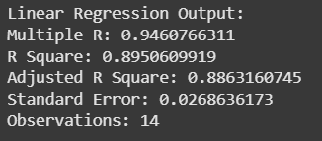
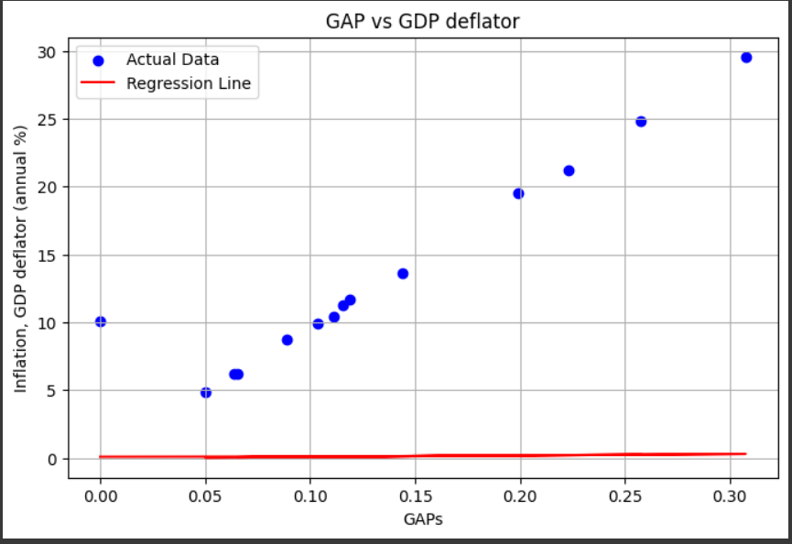
 | Regression Statistics
 | Multiple R | 0.94607663107 |  |  |  |  |  |  |  |  | Regression Statistics Between Gap & GDP Deflator
 | R Square | 0.89506099185
 | Adjusted R Square | 0.88631607451
 | Standard Error | 0.02901602303
 | Observations | 14

 | ANOVA
 |  | df | SS | MS | F | Significance F
 | Regression | 1 | 0.086173294308 | 0.086173294308 | 102.35213856 | 3.1581535623E-07
 | Residual | 12 | 0.01010315511 | 0.0008419295925
 | Total | 13 | 0.096276449418

 |  | Coefficients | Standard Error | t Stat | P-value | Lower 95% | Upper 95% | Lower 95.0% | Upper 95.0%
 | Intercept | -0.014278710096 | 0.016410310218 | -0.87010604348 | 0.40131285885 | -0.050033704539 | 0.021476284346 | -0.050033704539 | 0.021476284346
 | Inflation, GDP deflator (annual %) | 0.010897178951 | 0.0010771238002 | 10.116923374 | 3.1581535623E-07 | 0.008550327796 | 0.013244030106 | 0.008550327796 | 0.013244030106

